Anugrah (Bag, Cup, Box)
DATE | INV NO. | DESCRIPTIONS | AMOUNT | BILLS | PRICE | SUBTOTAL | TOTAL | Rp6,815,000
28-Mar-2026 | 4106 | THERMAL PAPER 80 X 80 | 50 | 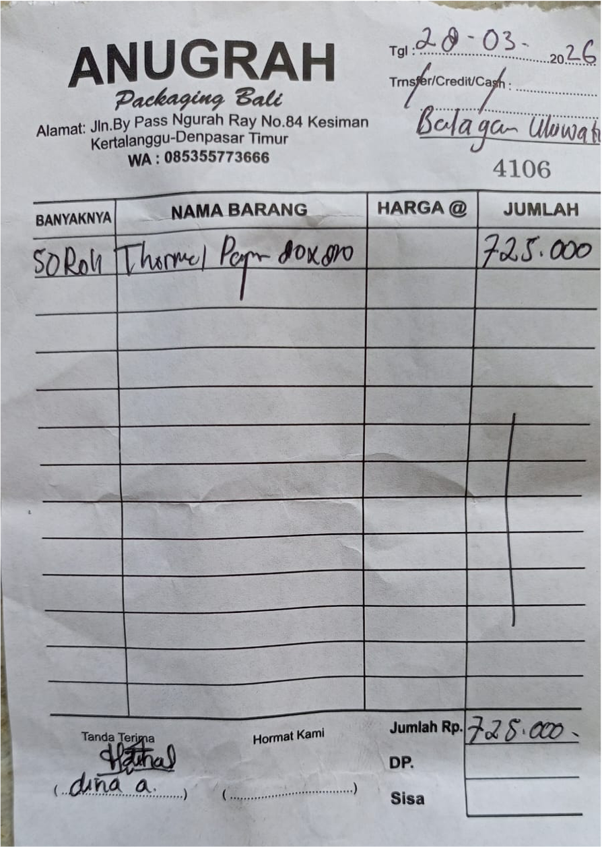 | IDR 14,500 | IDR 725,000 | IDR 725,000
28-Mar-2026 | 4109 | PAPERBAG HANDLE L | 1200 | 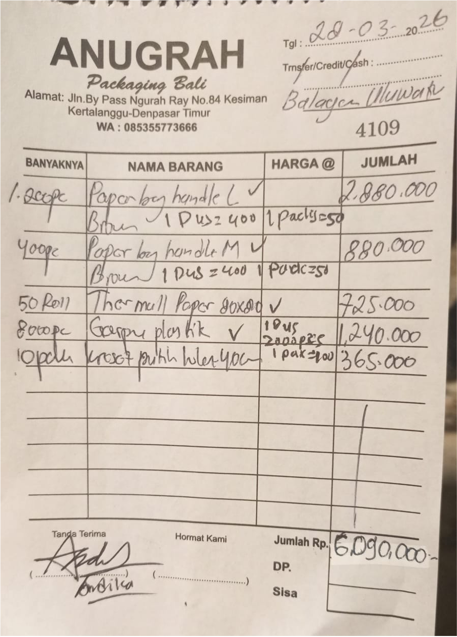 | IDR 2,400 | IDR 2,880,000 | IDR 6,090,000
 |  | PAPERBAG HANDLE M | 400 |  | IDR 2,200 | IDR 880,000
 |  | THERMAL PAPER 80 X 80 | 50 |  | IDR 14,500 | IDR 725,000
 |  | PLASTIC CUTLERIES | 8000 |  | IDR 155 | IDR 1,240,000
 |  | WHITE PLASTIC BAG 40 CM | 10 |  | IDR 36,500 | IDR 365,000
 |  |  |  |  |  | IDR -
 |  |  |  |  |  | IDR -
 |  |  |  |  |  | IDR -
 |  |  |  |  |  | IDR -
GRAND TOTAL |  |  |  |  |  |  | Rp6,815,000

UD Abdi Jaya (Bag, Cup, Box)
DATE | DATE | INV NO. | DESCRIPTIONS | QTY | BILLS | PRICE | SUBTOTAL | TOTAL | Rp8,839,000
2-Mar-2026 | 2-Mar-2026 | 1798/JL/UTM/0326 | CAPTAIN ORDER / NOTA 2 PLY | 10 | 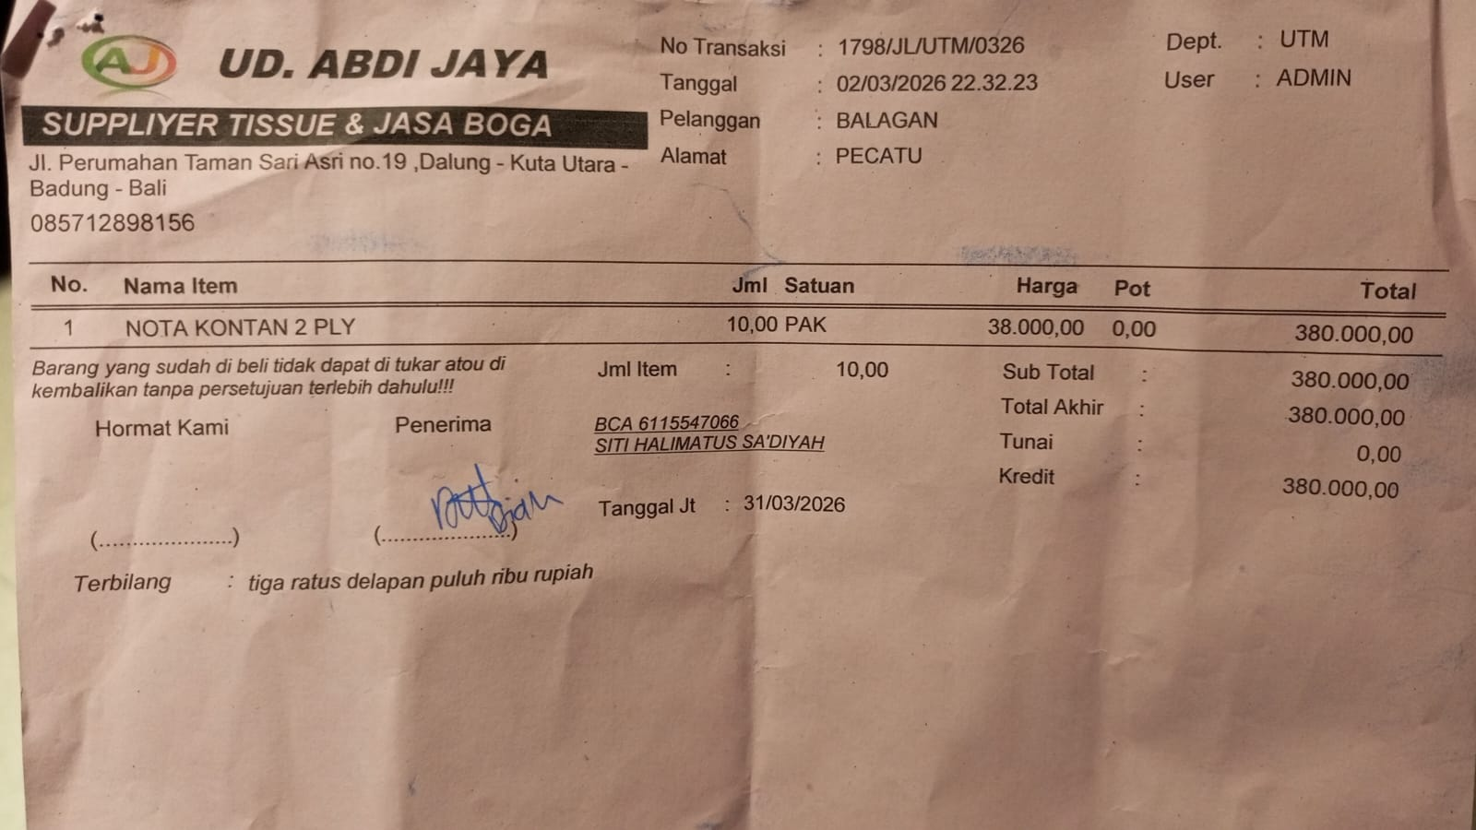 | Rp38,000 | Rp380,000 | Rp380,000
 | 4-Mar-2026 | 1845/JL/UTM/0326 | VACCUUM PLASTIC 20X30 @100PCS | 20 | 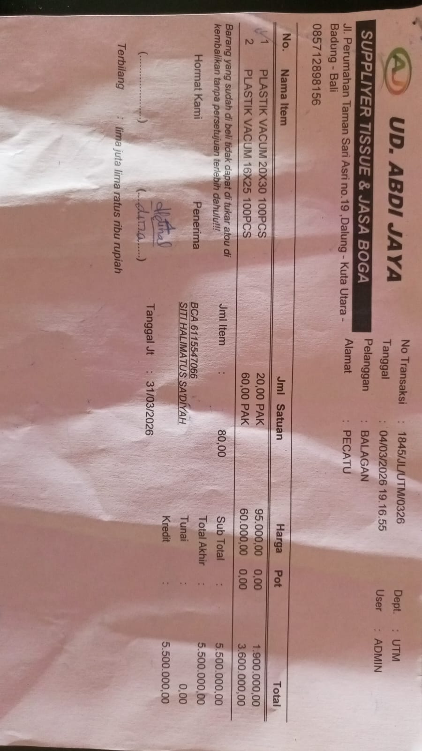 | Rp95,000 | Rp1,900,000 | Rp5,500,000
 |  |  | VACCUUM PLASTIC 16X25 @100PCS | 60 |  | Rp60,000 | Rp3,600,000
 | 9-Mar-2026 | 2004/JL/UTM/0326 | PLASTIC CUTLERIES | 30 | 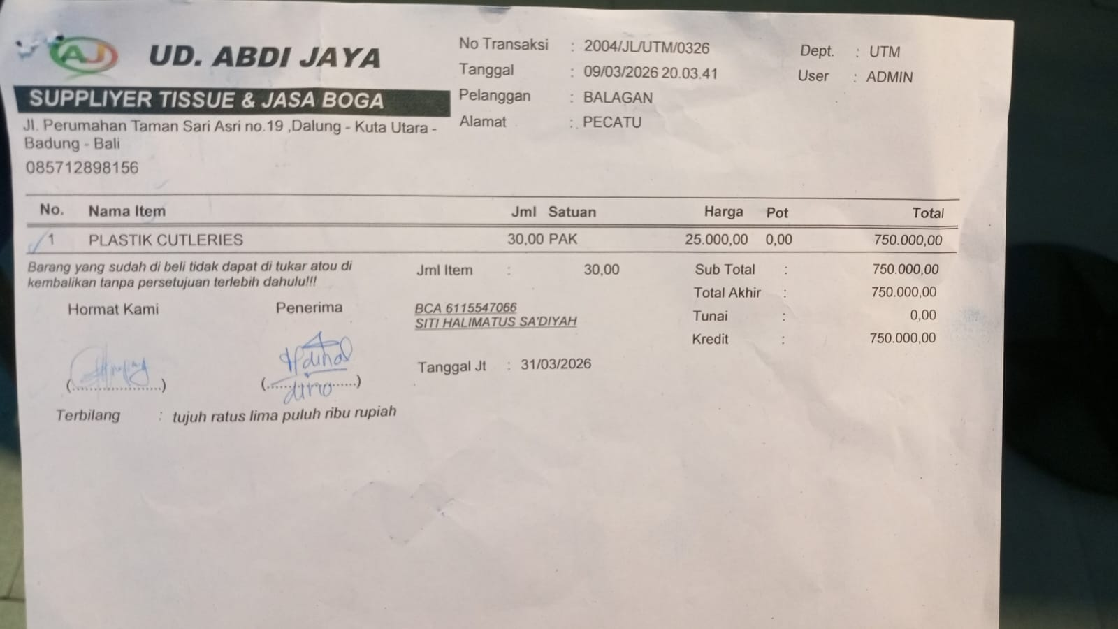 | Rp25,000 | Rp750,000 | Rp750,000
 | 10-Mar-2026 | 2045/JL/UTM/0326 | PLASTIC TRASH BAG | 9 | 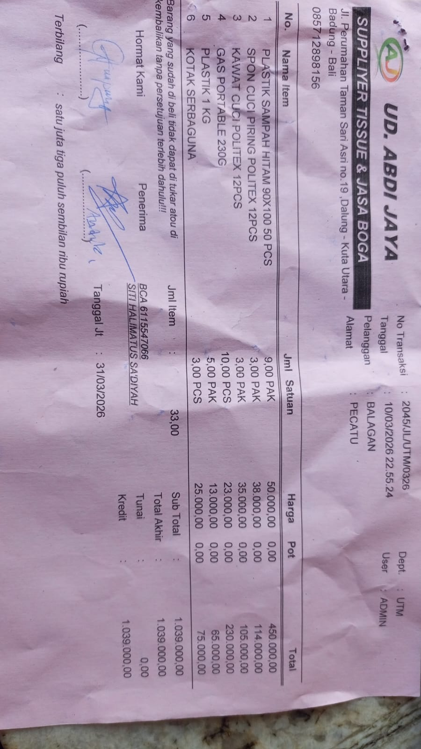 | Rp50,000 | Rp450,000 | Rp1,039,000
 |  |  | DISHWASHING SPONGE @12PCS | 3 |  | Rp38,000 | Rp114,000
 |  |  | DISHWASHING WIRE @12 PCS | 3 |  | Rp35,000 | Rp105,000
 |  |  | PORTABLE GAS 230G | 10 |  | Rp23,000 | Rp230,000
 |  |  | 1KG PLASTIC | 5 |  | Rp13,000 | Rp65,000
 |  |  | MULTI PURPOSE BOX | 3 |  | Rp25,000 | Rp75,000
 | 11-Mar-2026 | 2084/JL/UTM/0326 | MULTI PURPOSE BOX | 2 | 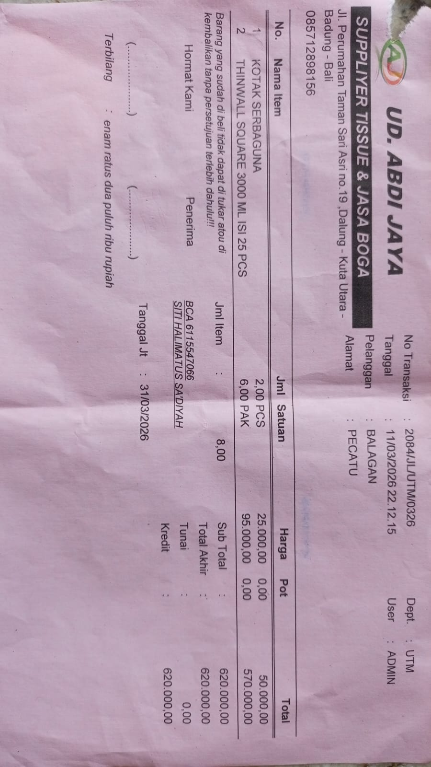 | Rp25,000 | Rp50,000 | Rp620,000
 |  |  | THINWALL SQUARE 3000 ML @25 PCS | 6 |  | Rp95,000 | Rp570,000
 | 23-Mar-2026 | 706 | KEBAB STICKS @100 PCS | 10 | 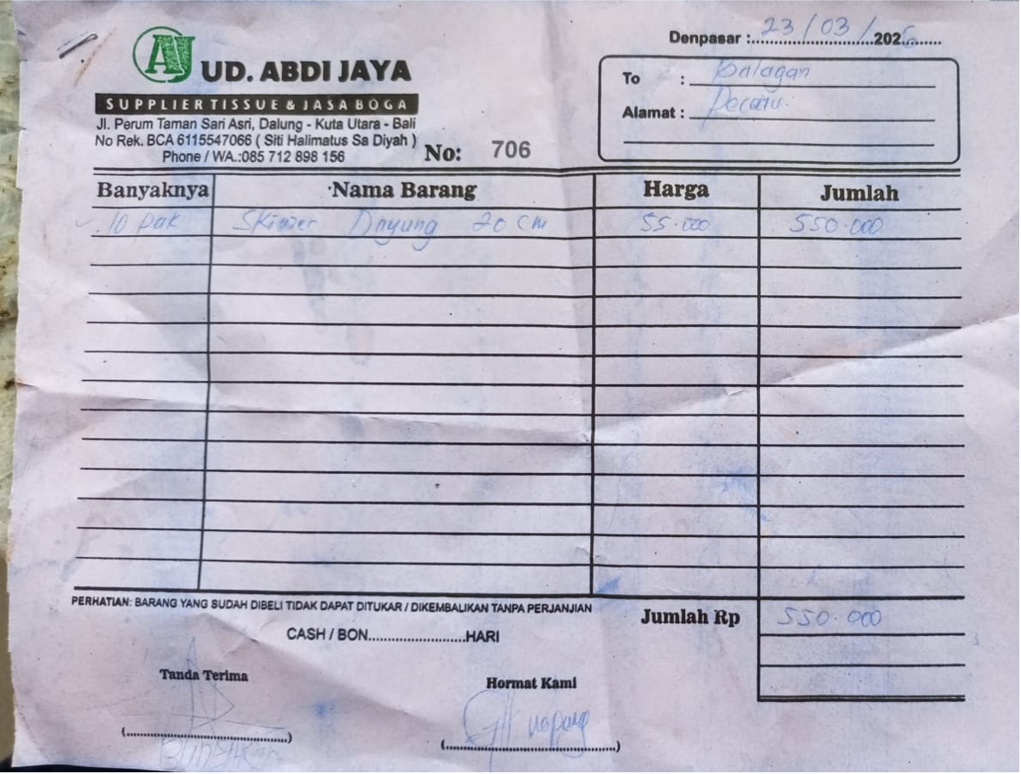 | Rp55,000 | Rp550,000 | Rp550,000
 |  |  |  |  |  |  | Rp-
 |  |  |  |  |  |  | Rp-
 |  |  |  |  |  |  | Rp-
 |  |  |  |  |  |  | Rp-
 |  |  |  |  |  |  |  | Rp8,839,000

PT. SUPARMA JAYA TBK (Tissue)
DATE | INV NO. | DESCRIPTIONS | AMOUNT | BILLS | PRICE | TOTAL | Rp808,447
25-Mar-2026 | SO05LC2603003130 | SEE-U HTM DE / ECONO RED / 20 PK FSC MIX 85% / SUHT-046NN | 120 | 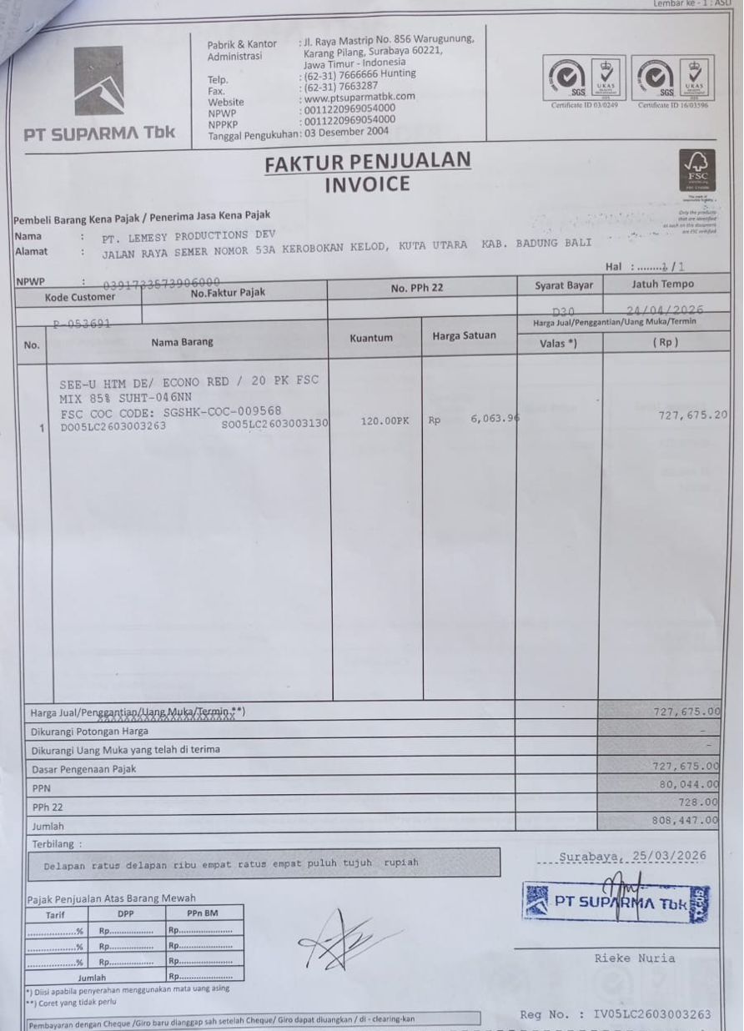 | Rp6,063.9600 | Rp727,675.20

 | SALES PRICE |  |  |  |  | Rp727,675.20
 | PPN |  |  |  |  | Rp80,044.27
 | PPh 22 |  |  |  |  | Rp727.68
 | TOTAL |  |  |  |  | Rp808,447.15
 |  |  |  |  |  | Rp0.00
 | SALES PRICE |  |  |  |  | Rp0.00
 | PPN |  |  |  |  | Rp0.00
 | PPh 22 |  |  |  |  | Rp0.00
 | TOTAL |  |  |  |  | Rp0.00
GRAND TOTAL |  |  |  | Rp808,447

Dishy Soap
DATE | DESCRIPTION | QTY | BILLS | PRICE | SUBTOTAL | TOTAL | Rp810,000.00
8-Mar-2026 | DISHY 5 L DISHWASHING | 10 | 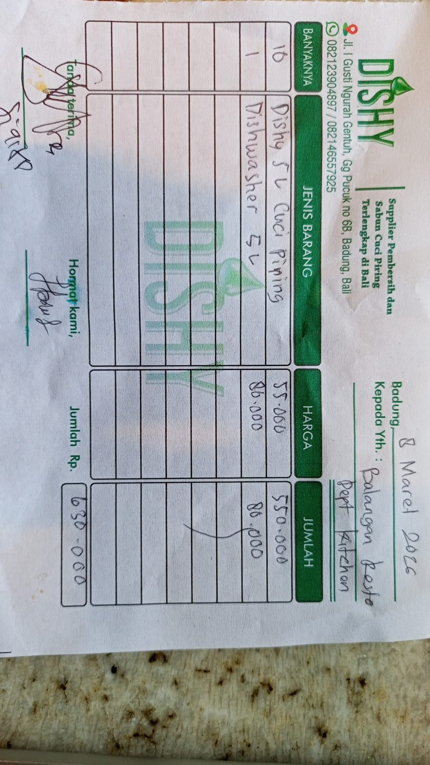 | Rp55,000.00 | Rp550,000.00 | Rp630,000.00
 | DISHY DEGREASER 5 L | 1 |  | Rp80,000.00 | Rp80,000.00
28-Mar-2026 | DISHY 5L HANDWASH | 3 | 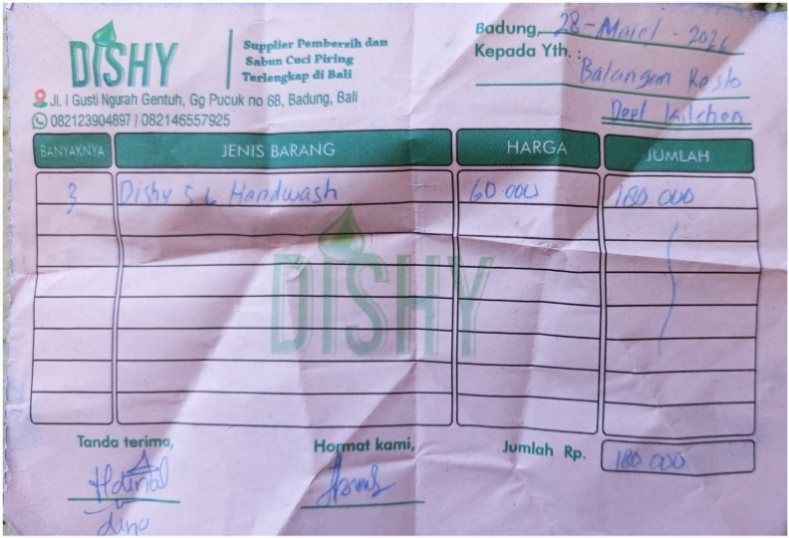 | Rp60,000.00 | Rp180,000.00 | Rp180,000.00
 |  |  |  |  | Rp0.00
 |  |  |  |  | Rp0.00
GRAND TOTAL |  |  |  | Rp810,000.00

